Application Screen
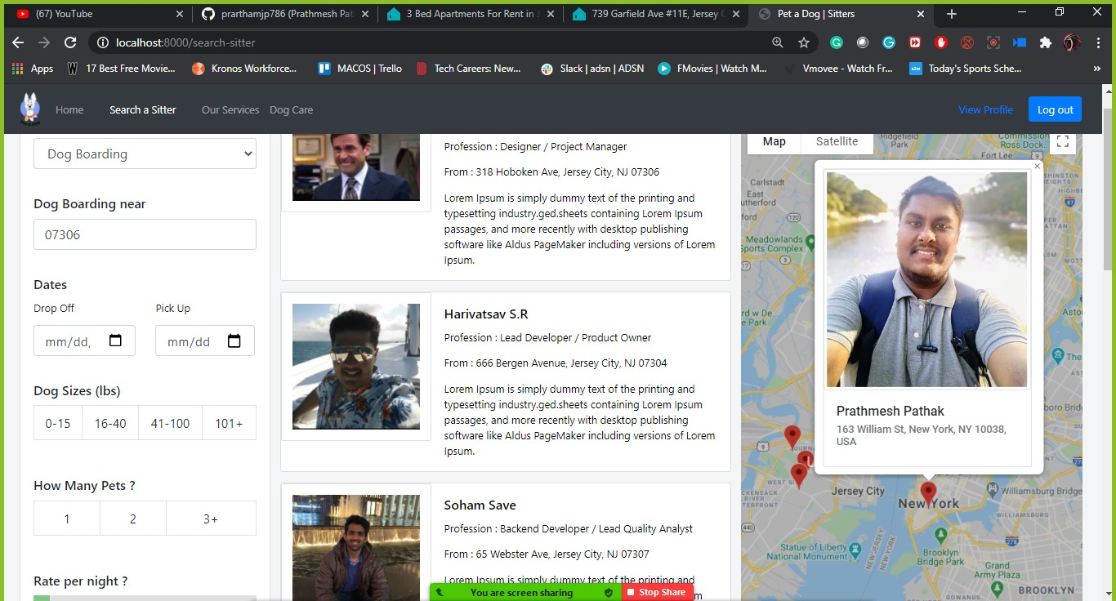
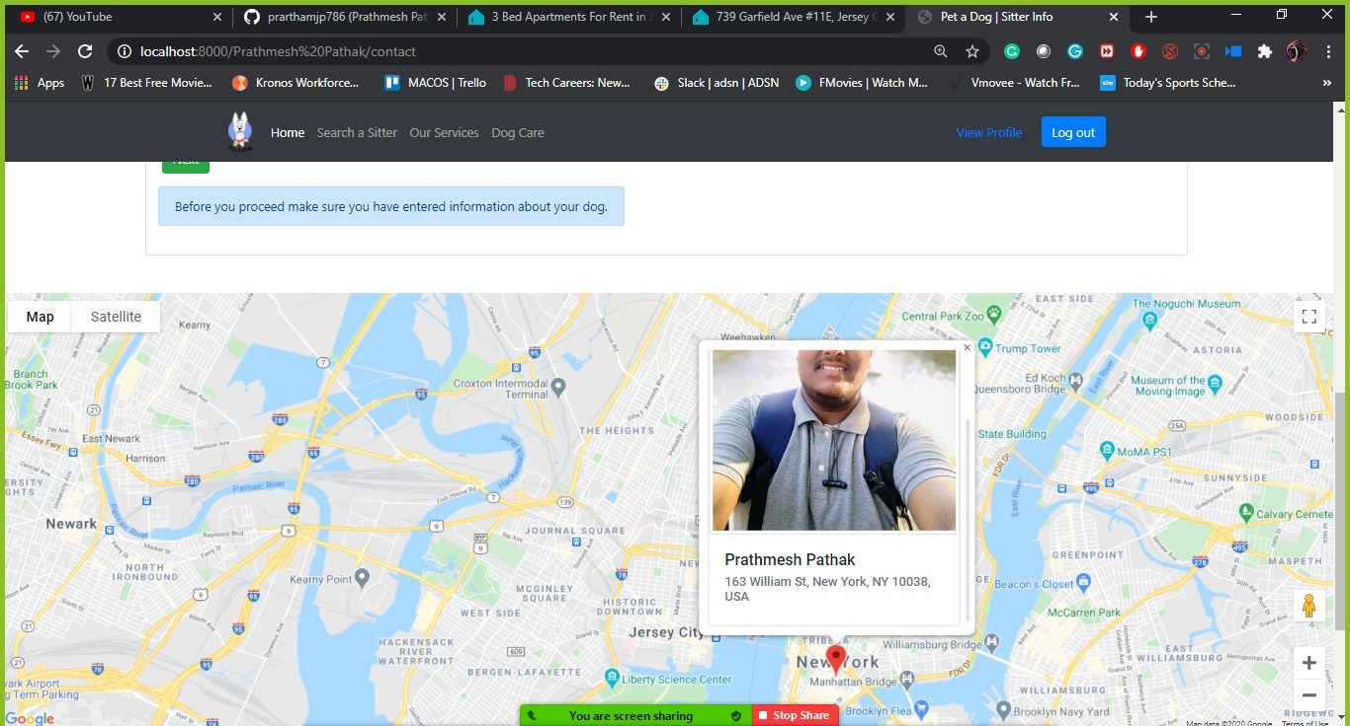

Test Case 3
TC Title: | TC3. Accessing Sitters location - Core Funtionality + Data Flow In

TC Objective: | Ensure that there is proper data flow of address from Sitter's information to Accessing Sitters Location
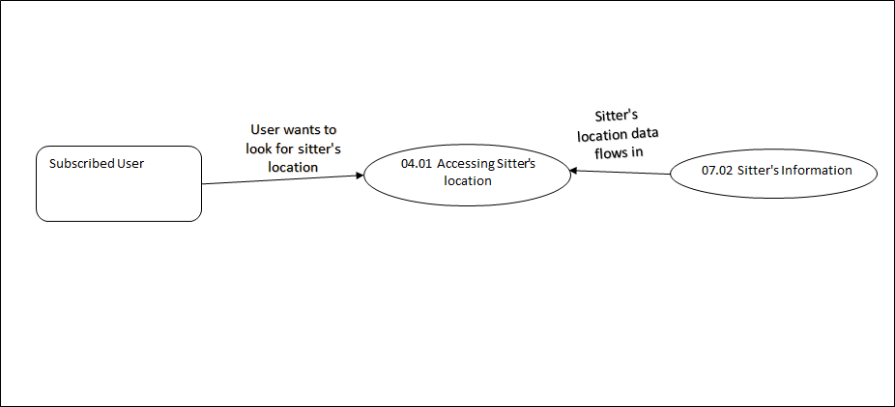

TC Description
 | Step | Step Description | Expected Results
 | 1 | Click on Search a siiter button on Home Page | User should see list of sitters, and on right side should see makers of addresses on map, address data should flow in from Sitter's information
 | 2 | Click on one of the sitter and scroll down | User should see only one marker of address on map, address data should flow in from Sitter's information
 | 3 | Click on the marker | User should see profile details of the sitter, profile details data should flow in from Sitter's information

